dimensioning rectagular bearing
Dimensioning LASTO®BLOCK F
rectangular bearings
Input |  |  | Output
εmax | 0.3 | [-] | Compression |  | 70 | 80 | 90 | 100 | 110 | 120 | 130 | 140 | 150 | 160
 |  |  |  | 70 | 6.2 | 6.4 | 6.6 | 6.8 | 6.9 | 7.0 | 7.1 | 7.2 | 7.3 | 7.4
Bearing dimensions for the tables |  |  |  | 80 | 6.4 | 6.7 | 6.8 | 7.0 | 7.2 | 7.3 | 7.4 | 7.6 | 7.7 | 7.8
Thickness t: | 20 | [mm] |  | 90 | 6.6 | 6.8 | 7.1 | 7.3 | 7.4 | 7.6 | 7.7 | 7.9 | 8.0 | 8.1
Min. width: | 70 | [mm] |  | 100 | 6.8 | 7.0 | 7.3 | 7.5 | 7.7 | 7.9 | 8.0 | 8.2 | 8.3 | 8.4
Grading: | 10 | [mm] |  | 110 | 6.9 | 7.2 | 7.4 | 7.7 | 7.9 | 8.1 | 8.3 | 8.4 | 8.6 | 8.7
Min. length: | 70 | [mm] |  | 120 | 7.0 | 7.3 | 7.6 | 7.9 | 8.1 | 8.3 | 8.5 | 8.7 | 8.9 | 9.0
Grading: | 10 | [mm] |  | 130 | 7.1 | 7.4 | 7.7 | 8.0 | 8.3 | 8.5 | 8.7 | 8.9 | 9.1 | 9.3
 |  |  |  | 140 | 7.2 | 7.6 | 7.9 | 8.2 | 8.4 | 8.7 | 8.9 | 9.1 | 9.3 | 9.5
 |  |  |  | 150 | 7.3 | 7.7 | 8.0 | 8.3 | 8.6 | 8.9 | 9.1 | 9.3 | 9.6 | 9.8
Step 1: Determination of bearing loads and movements in accordance to the static calculation |  |  |  | 160 | 7.4 | 7.8 | 8.1 | 8.4 | 8.7 | 9.0 | 9.3 | 9.5 | 9.8 | 10.0

Max. vertical load Fz: | 28 | [kN]
Rotation αa: | 0 | [‰] | Max. load |  | 70 | 80 | 90 | 100 | 110 | 120 | 130 | 140 | 150 | 160
Rotation αb: | 0 | [‰] |  | 70 | 30.3 | 35.8 | 41.5 | 47.6 | 53.1 | 58.8 | 64.6 | 70.5 | 76.6 | 82.8
Horizontal movement vx,y: | 0 | [mm] |  | 80 | 35.8 | 42.8 | 48.9 | 56.0 | 63.3 | 70.0 | 76.9 | 85.1 | 92.4 | 99.8
Max. area A: | 100000 | [mm2] |  | 90 | 41.5 | 48.9 | 57.5 | 65.7 | 73.2 | 82.0 | 90.0 | 99.5 | 108.0 | 116.6
 |  |  |  | 100 | 47.6 | 56.0 | 65.7 | 75.0 | 84.7 | 94.8 | 104.0 | 114.8 | 124.5 | 134.4
 |  |  |  | 110 | 53.1 | 63.3 | 73.2 | 84.7 | 95.5 | 106.9 | 118.6 | 129.3 | 141.9 | 153.1
Step 2: Select bearing dimensions |  |  |  | 120 | 58.8 | 70.0 | 82.0 | 94.8 | 106.9 | 119.5 | 132.6 | 146.1 | 160.2 | 172.8
Width a: | 100 | [mm] |  | 130 | 64.6 | 76.9 | 90.0 | 104.0 | 118.6 | 132.6 | 147.0 | 161.9 | 177.4 | 193.4
Length b: | 100 | [mm] |  | 140 | 70.5 | 85.1 | 99.5 | 114.8 | 129.3 | 146.1 | 161.9 | 178.3 | 195.3 | 212.8
Holes |  |  |  | 150 | 76.6 | 92.4 | 108.0 | 124.5 | 141.9 | 160.2 | 177.4 | 195.3 | 216.0 | 235.2
Number: | 0 | [-] |  | 160 | 82.8 | 99.8 | 116.6 | 134.4 | 153.1 | 172.8 | 193.4 | 212.8 | 235.2 | 256.0
Ø: | 40 | [mm]

Surface: | concrete |  | Area |  | 70 | 80 | 90 | 100 | 110 | 120 | 130 | 140 | 150 | 160
 |  |  |  | 70 | 4900 | 5600 | 6300 | 7000 | 7700 | 8400 | 9100 | 9800 | 10500 | 11200
 |  |  |  | 80 | 5600 | 6400 | 7200 | 8000 | 8800 | 9600 | 10400 | 11200 | 12000 | 12800
Step 3: Calculation of shape factor S |  |  |  | 90 | 6300 | 7200 | 8100 | 9000 | 9900 | 10800 | 11700 | 12600 | 13500 | 14400
Floor plan area A: | 10000 | [mm2] |  | 100 | 7000 | 8000 | 9000 | 10000 | 11000 | 12000 | 13000 | 14000 | 15000 | 16000
Unloaded side areas As: | 8000 | [mm2] |  | 110 | 7700 | 8800 | 9900 | 11000 | 12100 | 13200 | 14300 | 15400 | 16500 | 17600
Shape factor S: | 1.25 | [-] |  | 120 | 8400 | 9600 | 10800 | 12000 | 13200 | 14400 | 15600 | 16800 | 18000 | 19200
b/t: | 5 | [-] |  | 130 | 9100 | 10400 | 11700 | 13000 | 14300 | 15600 | 16900 | 18200 | 19500 | 20800
 |  |  |  | 140 | 9800 | 11200 | 12600 | 14000 | 15400 | 16800 | 18200 | 19600 | 21000 | 22400
 |  |  |  | 150 | 10500 | 12000 | 13500 | 15000 | 16500 | 18000 | 19500 | 21000 | 22500 | 24000
Step 4: Calculation of vertical deformation |  |  |  | 160 | 11200 | 12800 | 14400 | 16000 | 17600 | 19200 | 20800 | 22400 | 24000 | 25600
Compression σ: | 2.80 | [N/mm2]
Settling due to D.5 εz: | 6.8 | [%]
Vertical deformation vz: | 1.36 | [mm] | Rotation |  | 70 | 80 | 90 | 100 | 110 | 120 | 130 | 140 | 150 | 160
 |  |  |  | 70 | 100.0 | 100.0 | 100.0 | 100.0 | 100.0 | 100.0 | 100.0 | 100.0 | 100.0 | 100.0
 |  |  |  | 80 | 100.0 | 100.0 | 100.0 | 100.0 | 100.0 | 100.0 | 100.0 | 100.0 | 100.0 | 100.0
Step 5: Checking the limitation of rotation |  |  |  | 90 | 100.0 | 100.0 | 100.0 | 100.0 | 100.0 | 100.0 | 100.0 | 100.0 | 100.0 | 100.0
 |  |  |  | 100 | 100.0 | 100.0 | 100.0 | 100.0 | 100.0 | 100.0 | 100.0 | 100.0 | 100.0 | 100.0
Remaining thickness trest: | 18.64 | [mm] |  | 110 | 100.0 | 100.0 | 100.0 | 100.0 | 100.0 | 100.0 | 100.0 | 100.0 | 100.0 | 100.0
Rotation condition: | 1.36 | [-] |  | 120 | 100.0 | 100.0 | 100.0 | 100.0 | 100.0 | 100.0 | 100.0 | 100.0 | 100.0 | 100.0
 |  |  |  | 130 | 100.0 | 100.0 | 100.0 | 100.0 | 100.0 | 100.0 | 100.0 | 100.0 | 100.0 | 100.0
 |  |  |  | 140 | 100.0 | 100.0 | 100.0 | 100.0 | 100.0 | 100.0 | 100.0 | 100.0 | 100.0 | 100.0
Step 6: Verification of sliding resistance |  |  |  | 150 | 100.0 | 100.0 | 100.0 | 100.0 | 100.0 | 100.0 | 100.0 | 100.0 | 100.0 | 100.0
Coefficient of friction: | 0.421 | [-] |  | 160 | 100.0 | 100.0 | 100.0 | 100.0 | 100.0 | 100.0 | 100.0 | 100.0 | 100.0 | 100.0
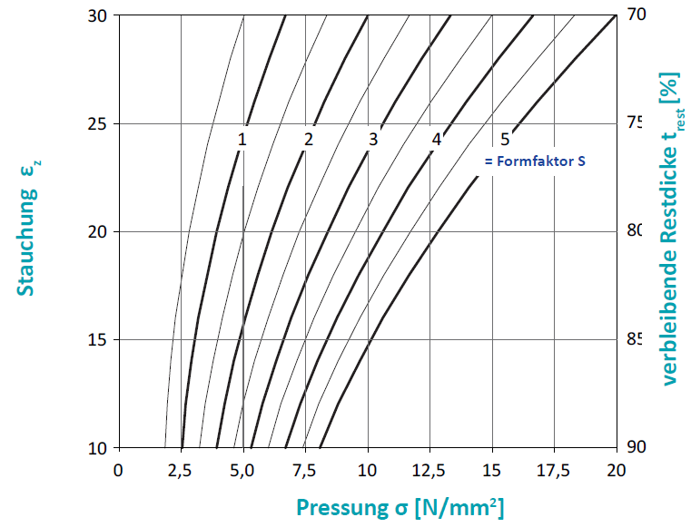
Allowed hor. movement vx,y: | 10.00 | [mm]
Reset force Fh: | 11.80 | [kN]

Kf
concrete | 0.6
othersurface | 0.2

A1 | 12.7
A2 | 4.26
A3 | 0.835
B1 | 45.4
B2 | -9.4
B3 | 1.75

